Sheet
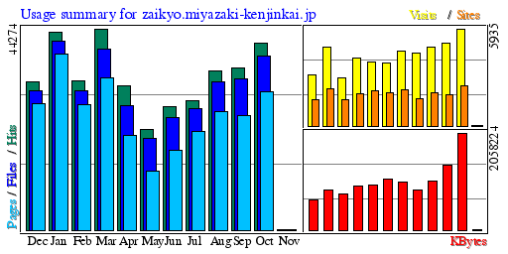

Summary by Month

Month | Daily Avg |  |  |  | Monthly Totals
 | Hits | Files | Pages | Visits | Sites | KBytes | Visits | Pages | Files | Hits

Oct-18 | 1,324 | 1,235 | 979 | 191 | 2,430 | 2,058,224 | 5,935 | 30,368 | 38,290 | 41,052
Sep-18 | 1,188 | 1,106 | 839 | 169 | 1,935 | 1,381,544 | 5,072 | 25,176 | 33,183 | 35,662
Aug-18 | 1,130 | 1,050 | 840 | 156 | 2,057 | 1,048,949 | 4,837 | 26,054 | 32,571 | 35,046
Jul-18 | 917 | 862 | 697 | 144 | 1,662 | 858,685 | 4,464 | 21,614 | 26,736 | 28,442
Jun-18 | 902 | 824 | 583 | 151 | 2,233 | 1,027,221 | 4,553 | 17,502 | 24,722 | 27,076
May-18 | 712 | 647 | 417 | 123 | 2,022 | 1,087,268 | 3,827 | 12,930 | 20,070 | 22,097
Apr-18 | 1,056 | 910 | 692 | 130 | 2,126 | 948,096 | 3,909 | 20,771 | 27,309 | 31,691
Mar-18 | 1,428 | 1,286 | 1,082 | 134 | 1,982 | 940,014 | 4,174 | 33,566 | 39,874 | 44,274
Feb-18 | 1,175 | 1,095 | 984 | 105 | 1,625 | 758,710 | 2,963 | 27,557 | 30,678 | 32,907
Jan-18 | 1,405 | 1,339 | 1,245 | 155 | 2,297 | 843,312 | 4,820 | 38,607 | 41,522 | 43,560
Dec-17 | 1,051 | 985 | 893 | 100 | 1,605 | 639,630 | 3,129 | 27,710 | 30,553 | 32,602
Nov-17 | 813 | 726 | 615 | 106 | 1,617 | 470,679 | 3,201 | 18,459 | 21,796 | 24,419

Totals |  |  |  |  |  | 12,062,332 | 50,884 | 300,314 | 367,304 | 398,828

